Elevate
Photo | Article | Description | XS | S | M | L | XL | XXL | XXXL | Total | RRP/UVP | Composition
 | 3823201 | Elevate Wmns Zenon Crewneck Sweater White | 92 | 94 | 235 |  | 61 | 89 |  | 571 | € 35.00 | 50% Cotton, 50% Polyester
 | 3823225 | Elevate Wmns Zenon Crewneck Sweater Red |  | 115 |  | 74 | 49 |  | 90 | 328 | € 35.00 | 50% Cotton, 50% Polyester
 | 3823233 | Elevate Wmns Zenon Crewneck Sweater Orange | 69 |  | 215 | 10 | 45 | 66 |  | 405 | € 35.00 | 50% Cotton, 50% Polyester
 | 3823244 | Elevate Wmns Zenon Crewneck Sweater Blue | 88 | 112 | 262 | 124 | 115 | 88 |  | 789 | € 35.00 | 50% Cotton, 50% Polyester
 | 3823249 | Elevate Wmns Zenon Crewneck Sweater Navy | 71 | 164 | 470 | 214 | 80 | 90 | 91 | 1180 | € 35.00 | 50% Cotton, 50% Polyester
 | 3823280 | Elevate Wmns Zenon Crewneck Sweater Heather Grey | 91 | 231 | 503 | 245 | 37 |  |  | 1107 | € 35.00 | 50% Cotton, 50% Polyester
 | 3823289 | Elevate Wmns Zenon Crewneck Sweater Storm Grey |  | 154 | 372 | 129 | 102 |  |  | 757 | € 35.00 | 50% Cotton, 50% Polyester
 | 3823299 | Elevate Wmns Zenon Crewneck Sweater Black | 186 | 101 | 263 | 47 | 102 | 149 | 12 | 860 | € 35.00 | 50% Cotton, 50% Polyester
 | 3822549 | Elevate Men Stanton V-Neck Pullover Navy | 110 | 170 | 134 | 156 | 14 | 38 | 80 | 702 | € 50.00 | 80% Viscose, 20% Nylon
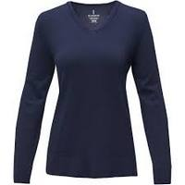 | 3822649 | Elevate Wmns Stanton V-Neck Pullover Navy |  |  | 34 |  |  |  |  | 34 | € 50.00 | 80% Viscose, 20% Nylon
 | 3822849 | Elevate Wmns Merrit Crewneck Pullover Navy |  | 125 | 182 | 132 | 62 | 29 |  | 530 | € 50.00 | 80% Viscose, 20% Nylon
 | 3822599 | Elevate Men Stanton V-Neck Pullover Black |  | 278 |  |  | 191 | 163 | 221 | 853 | € 50.00 | 80% Viscose, 20% Nylon
 | 3822699 | Elevate Wmns Stanton V-Neck Pullover Black |  |  | 20 |  | 19 | 9 |  | 48 | € 50.00 | 80% Viscose, 20% Nylon
 | 3822799 | Elevate Men Merrit Crewneck Pullover Black | 80 | 78 |  |  | 16 | 60 | 102 | 336 | € 50.00 | 80% Viscose, 20% Nylon
 | 3822899 | Elevate Wmns Merrit Crewneck Pullover Black | 117 | 307 | 389 | 323 | 201 |  |  | 1337 | € 50.00 | 80% Viscose, 20% Nylon
 | 3751301 | Elevate Wmns Jasper Gots Organic Recycled Crewneck Sweater White | 52 | 37 | 293 | 69 | 88 | 55 |  | 594 | € 35.00 | 80% Organic Cotton, 20% Recycled Polyester
 | 3751389 | Elevate Wmns Jasper Gots Organic Recycled Crewneck Sweater Steel Grey | 55 | 35 | 204 | 42 | 54 | 43 |  | 433 | € 35.00 | 80% Organic Cotton, 20% Recycled Polyester
 | 3751325 | Elevate Wmns Jasper Gots Organic Recycled Crewneck Sweater Red | 90 | 131 | 434 | 159 | 135 | 91 |  | 1040 | € 35.00 | 80% Organic Cotton, 20% Recycled Polyester
 | 3948149 | Elevate Wmns Mani Performance FZ Fleece Jacket Navy | 108 | 149 |  |  | 2 | 34 |  | 293 | € 80.00 | 91% Polyester, 9% Elastane
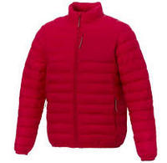 | 3933725 | Elevate Men Athenas Insulated Jacket Red | 45 | 20 |  | 56 | 44 |  |  | 165 | € 80.00 | 100% Nylon
 | 3933733 | Elevate Men Athenas Insulated Jacket Orange | 100 | 135 | 178 |  | 14 |  |  | 427 | € 80.00 | 100% Nylon
 | 3823299 | Elevate Wmns Zenon Crewneck Sweater Black |  |  |  |  | 132 |  |  | 132 | € 40.00 | 50% Cotton, 50% Polyester
 | 3823490 | Elevate Wmns Charon Hoodie Black | 52 |  |  | 120 | 65 | 45 | 65 | 347 | € 75.00 | 50% Cotton, 50% Polyester
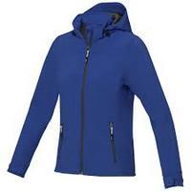 | 3931244 | Elevate Wmns Langley Softshell Jacket Blue | 270 |  | 163 | 5 | 87 |  |  | 525 | € 90.00 | 90% Polyester, 10% Elastane
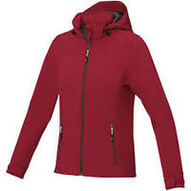 | 3931225 | Elevate Wmns Langley Softshell Jacket Red | 212 | 242 |  | 199 | 113 |  |  | 766 | € 90.00 | 90% Polyester, 10% Elastane
 |  |  |  |  |  |  |  |  |  | 14559

